WBS-Samples
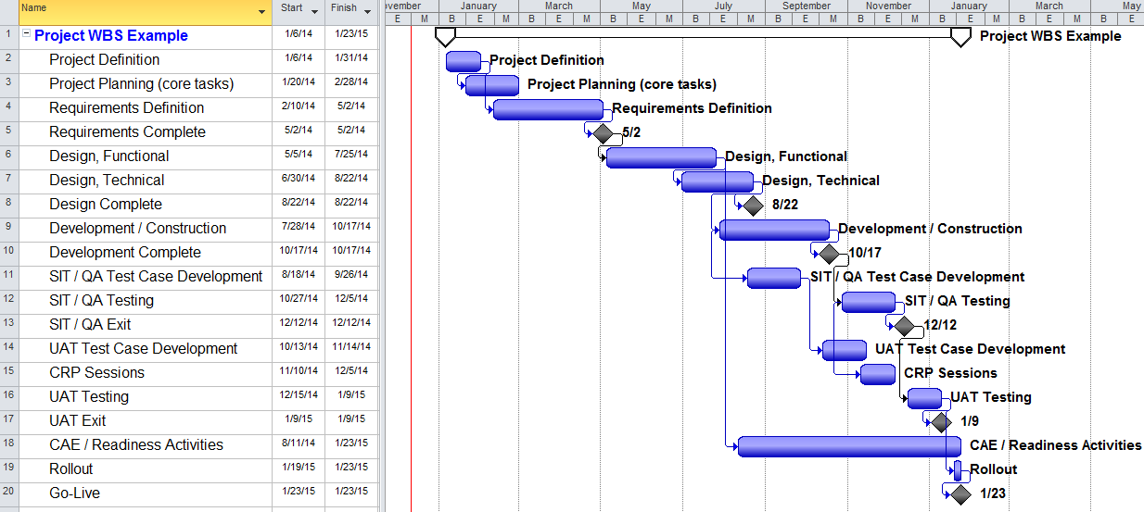
# | Example WBS:
1 | Sequential Example - some overlap where feasible
2 | Iterations in design (prototypes) and development could be defined in the respective Tech design, Development sections.
3 | Durations: Phase durations shown here are just examples and not meant to define standard % of project time or recommended durations.

